HVAC

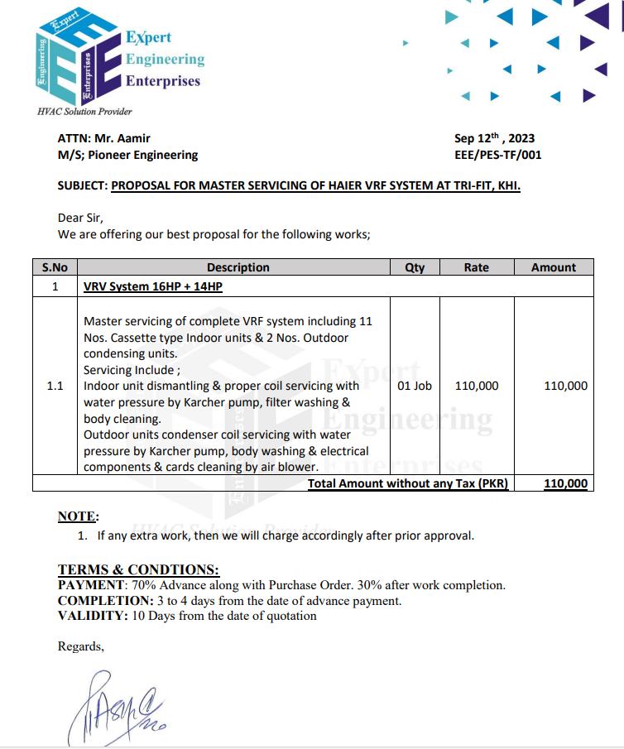

 |  |  |  | Date |  | 19 Sept 2023
 |  |  |  | Variation # |  | 05

Attn: Mr. Khawaja Raisuddin

Quotation
Master servicing of complete VRF system - TRI-FIT COM-1 Karachi

S. # | Description | Unit | Qty | Labour Rate | Rate | Amount
1 | Master servicing of complete VRF system
A | 11 Nos. Cassette type Indoor units
i | Remove the front panels and any other removable parts on the indoor units
ii | Clean the coils with water pressure and karchar pump
iii | Remove and clean the soiled air filters
iv | Clean both the interior and exterior surfaces of the indoor units using a mild detergent and a soft cloth
B | 2 Nos. Outdoor condensing units | Job | 1 |  | - | 110,000
i | Clean the condenser coils using a Karcher pump
ii | Clean the exterior of the outdoor units using a mild detergent and a soft cloth
iii | Remove dust and debris from electrical components, control boards, and cards. using air blower, Ensure all electrical connections are secure and free of corrosion
iv | Monitor the system's performance for a while to ensure it operates correctly
Sub - Total Amount Rs |  |  |  |  | - | 110,000
Total Amount Rs |  |  |  |  | 110,000
Pioneer Margin 25% |  |  |  |  | 27,500
Grand Total Amount Rs |  |  |  |  | 137,500
Note: Please add your Overhead & Profit

For PIONEER ENGINEERING SERVICES

w
 |  |  |  |  | Date |  | 31 July 2023
 |  |  |  |  | Quotation # |  | 003

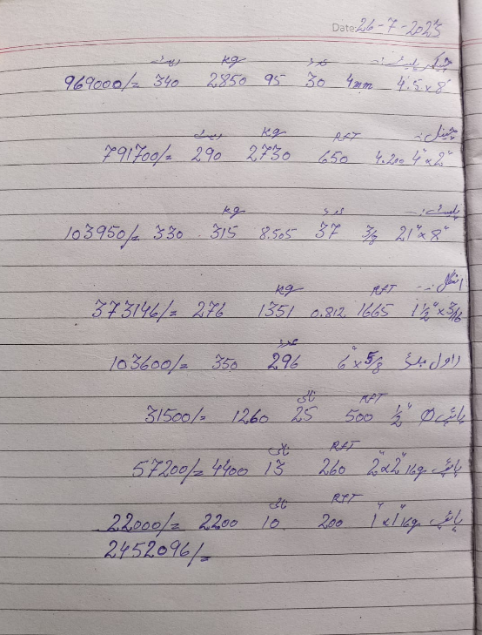
Attn: Mr. Khawaja Raisuddin

Quotation
M.S Plateform for condensing units with related material - TRI-FIT COM-1 Karachi

S. # | Description | Unit | Qty | Material Rate | Labour Rate | Material Amount | Labour Amount
1 | Providing & installation of M.S Checker plates 4mm thick. (2850 KGs) | SQFT | 1080 | 1,650 | 150 | 1,782,000 | 162,000
2 | Supply & installation of M.S C-Channel 4" x 2" (2730 KG) | KG | 660 | 1,652 | 120 | 1,090,320 | 79,200
3 | Supply & installation of M.S Angle iron 1-1/2" x 3/16" (1350 KG) | Rft | 1680 | 280 | 100 | 470,400 | 168,000
4 | Supply & installation of M.S Plate (315 KGs) (22" x 8" x 3/8") | Nos | 38 | 8,500 | 1,000 | 323,000 | 38,000
6 | Supply & installation of M.S rectangular pipe 2" x 2" (14 SWG) | Rft | 260 | 396 | 80 | 102,921 | 20,800
7 | Supply & installation of M.S rectangular pipe 1" x 1" (16 SWG) | Rft | 220 | 149 | 60 | 32,802 | 13,200
8 | Supply & installation of M.S pipe 1/2" for railing. (16 SWG) | Rft | 520 | 86 | 60 | 44,772 | 31,200
4 | Supply & installation of rawal bolts / Epoxy anchor | Job | 1 | 8,500 | 1,000 | 8,500 | 1,000
10 | Application of Painting with 02 coat primer and 02 coat of epoxy. | SQFT | 2680 | 188 | 100 | 503,840 | 268,000
Total Amount Rs |  |  |  |  |  | 4,358,555 | 781,400
Grand Total Amount Rs |  |  |  |  |  | 5,139,955

Note: 75% advance for procurement of material & 25% after completion of work.

For PIONEER ENGINEERING SERVICES

